Ref_Fig1
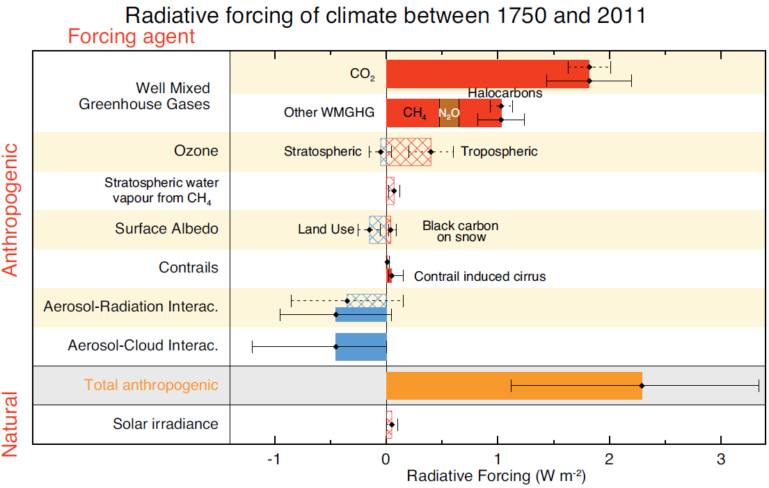

 | Forcing agent | Species | W/m2
 | WMGHG | CO2 | 1.82
 |  | CH4 | 0.48
 |  | N2O | 0.17
 |  | HC | 0.34
 |  | HFC | 0.02
 | Ozone | Tropospheric O3 | 0.4
 |  | Stratospheric O3 | -0.05
 | Water vapour | Stratospheric H2O | 0.07
 | Contrails | Contrails | 0.05
 | Surface albedo | Black carbon on snow | 0.04
 |  | Land use | -0.15
 | Aerosols | Aerosol Radiation Interaction | -0.45
 |  | Aerosol Cloud Interaction | -0.45
 | Total anthropogenic forcing |  | 2.29

Source: [2]

Ref_Fig3
a. Abundance based - RF
b. Emission based - IPPC GWP100
c. Emission based - GWPins

Abundance based - RF |  |  | Emission based - IPPC GWP100 |  |  | Emission based - GWPins
CH4 | 30% | 1.013 | CH4 | 19% | 10.1 | CH4 | 56% | 53.01
CO2 | 63% | 2.116 | CO2 | 75% | 39.1 | CO2 | 41% | 39.10
N2O | 6% | 0.206 | N2O | 5% | 2.8 | N2O | 2% | 2.27

 |  |  | GWP100 | 28

Ref_Fig4
FAO/IPPC: Fossil Fuel Energy is the biggest cause of global warming
Revaluation: Animal Agriculture is the biggest cause of global warming

Animal Agriculture | 15% | Animal Agriculture | 31%
Energy (FF) | 52% | Energy (FF) | 19%
Transport (FF) | 12% | Transport (FF) | 11%
Other (FF) | 6% | Other (FF) | 17%
Other Sectors | 16% | Other Sectors | 21%

